Лист1
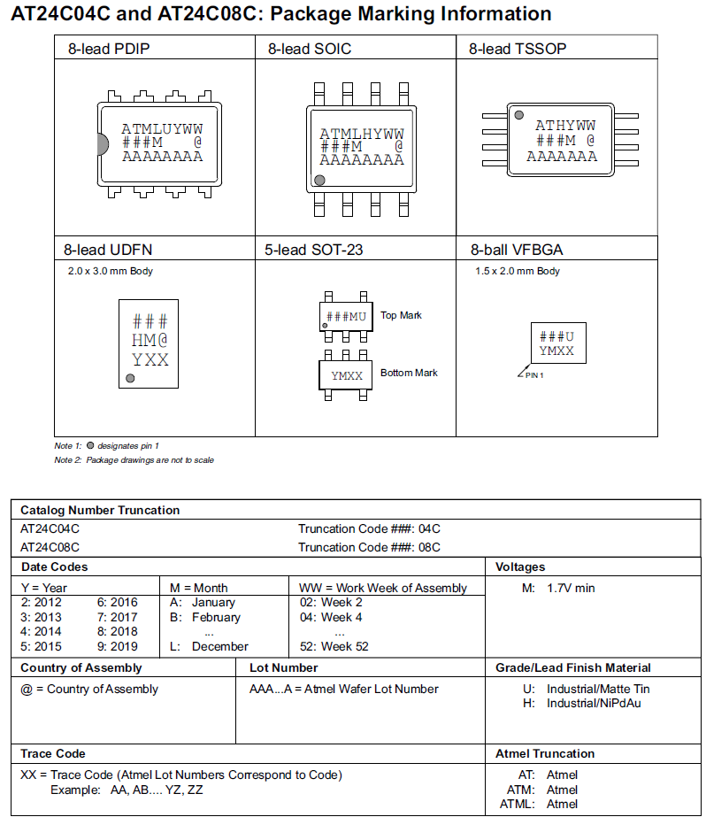
AT24C01BN-SH-B/T | ATMEL | ATMLU701 | DIP
AT24C01B-PU | ATMEL | ATMLU702 | DIP
AT24C02B-10PU-1.8 | ATMEL | ATMLU703 | DIP
AT24C02BN-SH-B/T | ATMEL | ATMLU704 | DIP
AT24C02B-PU | ATMEL | ATMLU705 | DIP
AT24C04-10PU-2.7 | ATMEL | ATMLU706 | DIP
AT24C04BN-SH-B | ATMEL | ATMLU707 | DIP
AT24C04N-10SU-2.7 | ATMEL | ATMLU708 | DIP
AT24C08A-10PU-2.7 | ATMEL | ATMLU709 | DIP
AT24C08A-10TU-2.7 | ATMEL | ATMLU710 | DIP
AT24C08AN-10SU-2.7 | ATMEL | ATMLU711 | DIP
AT24C128-10PU-2.7 | ATMEL | ATMLU712 | DIP
AT24C128N-10SU-2.7-SL383 | ATMEL | ATMLU713 | DIP
AT24C16A-10PU-2.7 | ATMEL | ATMLU714 | DIP
AT24C16A-10TI-1.8 | ATMEL | ATMLU715 | DIP
AT24C16AN-10SU-2.7 | ATMEL | ATMLU716 | DIP
AT24C16BN-SH-B | ATMEL | ATMLU717 | DIP
AT24C256B-10PU-1.8 | ATMEL | ATMLU718 | DIP
AT24C256BN-10SU-1.8 | ATMEL | ATMLU719 | DIP
AT24C256BN-SH-T | ATMEL | ATMLU720 | DIP
AT24C256B-PU | ATMEL | ATMLU721 | DIP
AT24C256N-10SI18 | ATMEL | ATMLU722 | DIP
AT24C32A-10PU-2.7 | ATMEL | ATMLU723 | DIP
AT24C32AN-10SU-2.7 | ATMEL | ATMLU724 | DIP
AT24C32CN-SH-T | ATMEL | ATMLU725 | DIP
AT24C512-10PU-2.7 | ATMEL | ATMLU726 | DIP
AT24C512BN-SH25-B | ATMEL | ATMLU727 | DIP
AT24C512BN-SH-B | ATMEL | ATMLU728 | DIP
AT24C512B-PU25 | ATMEL | ATMLU729 | DIP
AT24C512N-10SU-2.7 | ATMEL | ATMLU730 | DIP
AT24C64A-10PU-2.7 | ATMEL | ATMLU731 | DIP
AT24C64AN-10SU-2.7 | ATMEL | ATMLU732 | DIP
AT24C64CN-SH-B | ATMEL | ATMLU733 | DIP
AT24C64CN-SH-T | ATMEL | ATMLU734 | DIP
AT25128A-10PU-2.7 | ATMEL | ATMLU735 | DIP
AT25256AN-10SU-2.7 | ATMEL | ATMLU736 | DIP
AT25DF041A-SH-B | ATMEL | ATMLU737 | DIP
AT25F1024AN-10SU-2.7-SL383 | ATMEL | ATMLU738 | DIP
AT25F512AN-10SU-2.7-SL383 | ATMEL | ATMLU739 | DIP
AT26DF081A-SSU-SL965 | ATMEL | ATMLU740 | DIP
AT26DF081A-SU-SL965 | ATMEL | ATMLU741 | DIP
AT26DF161-SU | ATMEL | ATMLU742 | DIP
AT26DF321-SU | ATMEL | ATMLU743 | DIP
AT27BV256-70JU | ATMEL | ATMLU744 | DIP
AT27C010-70PU | ATMEL | ATMLU745 | DIP
AT27C040-70PU | ATMEL | ATMLU746 | DIP
AT27C256R-70JU | ATMEL | ATMLU747 | DIP
AT27C256R-70PU | ATMEL | ATMLU748 | DIP
AT27C512R-70JU | ATMEL | ATMLU749 | DIP
AT28BV256-20TU | ATMEL | ATMLU750 | DIP
AT28C256-15PU | ATMEL | ATMLU751 | DIP
AT28C64B-15JU | ATMEL | ATMLU752 | DIP
AT28C64B-15PU | ATMEL | ATMLU801 | DIP
AT28C64B-15SU | ATMEL | ATMLU802 | DIP
AT29C010A-70JU | ATMEL | ATMLU803 | DIP
AT29C020-90JU | ATMEL | ATMLU804 | DIP
AT29C020-90TU | ATMEL | ATMLU805 | DIP
AT29C040A-90JU | ATMEL | ATMLU806 | DIP
AT29C040A-90TU | ATMEL | ATMLU807 | DIP
AT29LV020-10TU | ATMEL | ATMLU808 | DIP
AT29LV040A-15JU | ATMEL | ATMLU809 | DIP
AT29LV512-12JU | ATMEL | ATMLU810 | DIP
AT45DB021B-SU | ATMEL | ATMLU811 | DIP
AT45DB041D-SU | ATMEL | ATMLU812 | DIP
AT45DB081D-SU | ATMEL | ATMLU813 | DIP
AT45DB161D-SU | ATMEL | ATMLU814 | DIP
AT45DB161D-TU | ATMEL | ATMLU815 | DIP
AT45DB321D-SU | ATMEL | ATMLU816 | DIP
AT45DB321D-TU | ATMEL | ATMLU817 | DIP
AT45DB642D-TU | ATMEL | ATMLU818 | DIP
AT47BV163A-70TU | ATMEL | ATMLU819 | DIP
AT49BV040B-JU | ATMEL | ATMLU820 | DIP
AT49BV322DT-70TU | ATMEL | ATMLU821 | DIP
AT49BV512-90TU | ATMEL | ATMLU822 | DIP
AT73C213 | ATMEL | ATMLU823 | DIP
AT76C112 | ATMEL | ATMLU824 | DIP
AT76C120H-MU1-JZ208 | ATMEL | ATMLU825 | DIP
AT80251G2D-SLSUM | ATMEL | ATMLU826 | DIP
AT80C32X2-3CSUM | ATMEL | ATMLU827 | DIP
AT80C32X2-RLTUM | ATMEL | ATMLU828 | DIP
AT80C32X2-SLSUM | ATMEL | ATMLU829 | DIP
AT83C24-TISIL | ATMEL | ATMLU830 | DIP
AT88SC0104C-SU | ATMEL | ATMLU831 | DIP
AT88SC153-10SU | ATMEL | ATMLU832 | DIP
AT89C2051-12PU | ATMEL | ATMLU833 | DIP
AT89C2051-12SU | ATMEL | ATMLU834 | DIP
AT89C2051-24PU | ATMEL | ATMLU835 | DIP
AT89C2051-24SU | ATMEL | ATMLU836 | DIP
AT89C4051-24PU | ATMEL | ATMLU837 | DIP
AT89C4051-24SU | ATMEL | ATMLU838 | DIP
AT89C5131A-S3SUM | ATMEL | ATMLU839 | DIP
AT89C51AC2-RLTUM | ATMEL | ATMLU840 | DIP
AT89C51CC01CA-RLTUM | ATMEL | ATMLU841 | DIP
AT89C51CC01CA-SLSUM | ATMEL | ATMLU842 | DIP
AT89C51CC01UA-RLTUM | ATMEL | ATMLU843 | DIP
AT89C51CC01UA-SLSUM | ATMEL | ATMLU844 | DIP
AT89C51ED2-RDTUM | ATMEL | ATMLU845 | DIP
AT89C51ED2-RLTUM | ATMEL | ATMLU846 | DIP
AT89C51ED2-SLSUM | ATMEL | ATMLU847 | DIP
AT89C51ED2-SMSUM | ATMEL | ATMLU848 | DIP
AT89C51RB2-3CSUM | ATMEL | ATMLU849 | DIP
AT89C51RB2-RLTUM | ATMEL | ATMLU850 | DIP
AT89C51RB2-SLSUM | ATMEL | ATMLU851 | DIP
AT89C51RC2-3CSUM | ATMEL | ATMLU852 | DIP
AT89C51RC-24JU | ATMEL | ATMLU901 | DIP
AT89C51RC-24PU | ATMEL | ATMLU902 | DIP
AT89C51RC2-RLTUM | ATMEL | ATMLU903 | DIP
AT89C51RC2-SLSUM | ATMEL | ATMLU904 | DIP
AT89C51RD2-RLTUM | ATMEL | ATMLU905 | DIP
AT89C51RD2-SLRUM | ATMEL | ATMLU906 | DIP
AT89C51RD2-SLSUM | ATMEL | ATMLU907 | DIP
AT89C51-24PC | ATMEL | ATMLU908 | DIP
AT89C51-24PI | ATMEL | ATMLU909 | DIP
AT89C52-24JI | ATMEL | ATMLU910 | DIP
AT89C52-24PI | ATMEL | ATMLH701 | SOP
AT89C55WD-24AU | ATMEL | ATMLH702 | SOP
AT89C55WD-24JU | ATMEL | ATMLH703 | SOP
AT89C55WD-24PU | ATMEL | ATMLH704 | SOP
AT89LS52-16JU | ATMEL | ATMLH705 | SOP
AT89LS52-16PU | ATMEL | ATMLH706 | SOP
AT89LV51-12AI | ATMEL | ATMLH707 | SOP
AT89S51-24AU | ATMEL | ATMLH708 | SOP
AT89S51-24PU | ATMEL | ATMLH709 | SOP
AT89S52-24AU | ATMEL | ATMLH710 | SOP
AT89S52-24JU | ATMEL | ATMLH711 | SOP
AT89S52-24PU | ATMEL | ATMLH712 | SOP
AT89S54-3CSIM | ATMEL | ATMLH713 | SOP
AT89S54-SLSIM | ATMEL | ATMLH714 | SOP
AT89S58-SLSIM | ATMEL | ATMLH715 | SOP
AT89S8253-24AU | ATMEL | ATMLH716 | SOP
AT89S8253-24JU | ATMEL | ATMLH717 | SOP
AT89S8253-24PU | ATMEL | ATMLH718 | SOP
AT90CAN128-16AU | ATMEL | ATMLH719 | SOP
AT90CAN32-16AU | ATMEL | ATMLH720 | SOP
AT91M40800-33AU | ATMEL | ATMLH721 | SOP
AT91M55800A-33AU | ATMEL | ATMLH722 | SOP
AT91RM9200-CJ-002 | ATMEL | ATMLH723 | SOP
AT91RM9200-QU-002 | ATMEL | ATMLH724 | SOP
AT91SAM7S256-AU-001 | ATMEL | ATMLH725 | SOP
AT91SAM7S321-AU | ATMEL | ATMLH726 | SOP
AT91SAM7S32-AU-001 | ATMEL | ATMLH727 | SOP
AT91SAM7S64-AU-001 | ATMEL | ATMLH728 | SOP
AT91SAM7SE32-AU | ATMEL | ATMLH729 | SOP
AT91SAM7X256-AU | ATMEL | ATMLH730 | SOP
AT91SAM9260-CJ | ATMEL | ATMLH731 | SOP
AT91SAM9260-EK | ATMEL | ATMLH732 | SOP
AT91SAM9261-EK | ATMEL | ATMLH733 | SOP
AT91SAM9261S-CU | ATMEL | ATMLH734 | SOP
AT91SAM9263-CU | ATMEL | ATMLH735 | SOP
AT91SAM7X-EK | ATMEL | ATMLH736 | SOP
AT91SAM-ICE | ATMEL | ATMLH737 | SOP
AT93C46-10PU-2.7 | ATMEL | ATMLH738 | SOP
AT93C46-10SU-2.7 | ATMEL | ATMLH739 | SOP
AT93C46DN-SH-B | ATMEL | ATMLH740 | SOP
AT93C46D-TH-T | ATMEL | ATMLH741 | SOP
AT93C56A-10PU-2.7 | ATMEL | ATMLH742 | SOP
AT93C56A-10SU-2.7 | ATMEL | ATMLH743 | SOP
AT93C66A-10PU27 | ATMEL | ATMLH744 | SOP
AT93C66A-10SU-2.7 | ATMEL | ATMLH745 | SOP
AT93C66A-10SU-2.7-SL383 | ATMEL | ATMLH746 | SOP
ATAVRDRAGON | ATMEL | ATMLH747 | SOP
ATAVRISP2 | ATMEL | ATMLH748 | SOP
ATF1502AS-15JC44 | ATMEL | ATMLH749 | SOP
ATF1508AS-15AC100 | ATMEL | ATMLH750 | SOP
ATF1508AS-15JC84 | ATMEL | ATMLH751 | SOP
ATF16V8B-15JU | ATMEL | ATMLH752 | SOP
ATF16V8B-15PC | ATMEL | ATMLH801 | SOP
ATF16V8B-15PU | ATMEL | ATMLH802 | SOP
ATF16V8BQL-15JC | ATMEL | ATMLH803 | SOP
ATF20V8B-15JC | ATMEL | ATMLH804 | SOP
ATJTAGICE2 | ATMEL | ATMLH805 | SOP
ATMEGA1280V-8AU | ATMEL | ATMLH806 | SOP
ATMEGA128-16AU | ATMEL | ATMLH807 | SOP
ATMEGA128L-8AU | ATMEL | ATMLH808 | SOP
ATMEGA16-16AU | ATMEL | ATMLH809 | SOP
ATMEGA16-16PU | ATMEL | ATMLH810 | SOP
ATMEGA162-16PU | ATMEL | ATMLH811 | SOP
ATMEGA162V-8AU | ATMEL | ATMLH812 | SOP
ATMEGA168-20AU | ATMEL | ATMLH813 | SOP
ATMEGA168-20MU | ATMEL | ATMLH814 | SOP
ATMEGA168-20PU | ATMEL | ATMLH815 | SOP
ATMEGA168V-10AU | ATMEL | ATMLH816 | SOP
ATMEGA169P-16AU | ATMEL | ATMLH817 | SOP
ATMEGA169PV-8AU | ATMEL | ATMLH818 | SOP
ATMEGA169V-8AU | ATMEL | ATMLH819 | SOP
ATMEGA16L-8AU | ATMEL | ATMLH820 | SOP
ATMEGA16L-8PU | ATMEL | ATMLH821 | SOP
ATMEGA32-16AU | ATMEL | ATMLH822 | SOP
ATMEGA32-16PU | ATMEL | ATMLH823 | SOP
ATMEGA325V-8MU | ATMEL | ATMLH824 | SOP
ATMEGA32L-8AU | ATMEL | ATMLH825 | SOP
ATMEGA32L-8PU | ATMEL | ATMLH826 | SOP
ATMEGA48-20AU | ATMEL | ATMLH827 | SOP
ATMEGA48V-10AU | ATMEL | ATMLH828 | SOP
ATMEGA48V-10PU | ATMEL | ATMLH829 | SOP
ATMEGA48V-10MU | ATMEL | ATMLH830 | SOP
ATMEGA640V-8AU | ATMEL | ATMLH831 | SOP
ATMEGA64-16AU | ATMEL | ATMLH832 | SOP
ATMEGA64L-8AU | ATMEL | ATMLH833 | SOP
ATMEGA8-16AU | ATMEL | ATMLH834 | SOP
ATMEGA8-16PU | ATMEL | ATMLH835 | SOP
ATMEGA8515-16AU | ATMEL | ATMLH836 | SOP
ATMEGA8515-16JU | ATMEL | ATMLH837 | SOP
ATMEGA8515-16PU | ATMEL | ATMLH838 | SOP
ATMEGA8515L-8JU | ATMEL | ATMLH839 | SOP
ATMEGA8535-16JI | ATMEL | ATMLH840 | SOP
ATMEGA8535-16JU | ATMEL | ATMLH841 | SOP
ATMEGA8535-16PU | ATMEL | ATMLH842 | SOP
ATMEGA8535L-8AU | ATMEL | ATMLH843 | SOP
ATMEGA8535L-8JU | ATMEL | ATMLH844 | SOP
ATMEGA8535L-8PU | ATMEL | ATMLH845 | SOP
ATMEGA88-20AU | ATMEL | ATMLH846 | SOP
ATMEGA88-20MU | ATMEL | ATMLH847 | SOP
ATMEGA88-20PU | ATMEL | ATMLH848 | SOP
ATMEGA88V-10AU | ATMEL | ATMLH849 | SOP
ATMEGA88V-10MU | ATMEL | ATMLH850 | SOP
ATMEGA88V-10PU | ATMEL | ATMLH851 | SOP
ATMEGA8L-8AU | ATMEL | ATMLH852 | SOP
ATMEGA8L-8PU | ATMEL | ATMLH901 | SOP
ATTINY11L-2SU | ATMEL | ATMLH902 | SOP
ATTINY13-20SU | ATMEL | ATMLH903 | SOP
ATTINY13V-10PU | ATMEL | ATMLH904 | SOP
ATTINY13V-10SSU | ATMEL | ATMLH905 | SOP
ATTINY13V-10SU | ATMEL | ATMLH906 | SOP
ATTINY15L-1PU | ATMEL | ATMLH907 | SOP
ATTINY2313-20PU | ATMEL | ATMLH908 | SOP
ATTINY2313-20SU | ATMEL | ATMLH909 | SOP
ATTINY2313V-10PU | ATMEL | ATMLH910 | SOP
AT24C01BN-SH-B/T | ATMEL | ATMLU701 | DIP
AT24C01B-PI | ATMEL | ATMLU702 | DIP
AT24C02B-10PI-1.8 | ATMEL | ATMLU703 | DIP
AT24C02BN-SH-B/T | ATMEL | ATMLU704 | DIP
AT24C02B-PI | ATMEL | ATMLU705 | DIP
AT24C04-10PI-2.7 | ATMEL | ATMLU706 | DIP
AT24C04BN-SH-B | ATMEL | ATMLU707 | DIP
AT24C04N-10SI-2.7 | ATMEL | ATMLU708 | DIP
AT24C08A-10PI-2.7 | ATMEL | ATMLU709 | DIP
AT24C08A-10TI-2.7 | ATMEL | ATMLU710 | DIP
AT24C08AN-10SI-2.7 | ATMEL | ATMLU711 | DIP
AT24C128-10PI-2.7 | ATMEL | ATMLU712 | DIP
AT24C128N-10SI-2.7-SL383 | ATMEL | ATMLU713 | DIP
AT24C16A-10PI-2.7 | ATMEL | ATMLU714 | DIP
AT24C16A-10TI-1.8 | ATMEL | ATMLU715 | DIP
AT24C16AN-10SI-2.7 | ATMEL | ATMLU716 | DIP
AT24C16BN-SH-B | ATMEL | ATMLU717 | DIP
AT24C256B-10PI-1.8 | ATMEL | ATMLU718 | DIP
AT24C256BN-10SI-1.8 | ATMEL | ATMLU719 | DIP
AT24C256BN-SH-T | ATMEL | ATMLU720 | DIP
AT24C256B-PI | ATMEL | ATMLU721 | DIP
AT24C256N-10SI18 | ATMEL | ATMLU722 | DIP
AT24C32A-10PI-2.7 | ATMEL | ATMLU723 | DIP
AT24C32AN-10SI-2.7 | ATMEL | ATMLU724 | DIP
AT24C32CN-SH-T | ATMEL | ATMLU725 | DIP
AT24C512-10PI-2.7 | ATMEL | ATMLU726 | DIP
AT24C512BN-SH25-B | ATMEL | ATMLU727 | DIP
AT24C512BN-SH-B | ATMEL | ATMLU728 | DIP
AT24C512B-PI25 | ATMEL | ATMLU729 | DIP
AT24C512N-10SI-2.7 | ATMEL | ATMLU730 | DIP
AT24C64A-10PI-2.7 | ATMEL | ATMLU731 | DIP
AT24C64AN-10SI-2.7 | ATMEL | ATMLU732 | DIP
AT24C64CN-SH-B | ATMEL | ATMLU733 | DIP
AT24C64CN-SH-T | ATMEL | ATMLU734 | DIP
AT25128A-10PI-2.7 | ATMEL | ATMLU735 | DIP
AT25256AN-10SI-2.7 | ATMEL | ATMLU736 | DIP
AT25DF041A-SH-B | ATMEL | ATMLU737 | DIP
AT25F1024AN-10SI-2.7-SL383 | ATMEL | ATMLU738 | DIP
AT25F512AN-10SI-2.7-SL383 | ATMEL | ATMLU739 | DIP
AT26DF081A-SSI-SL965 | ATMEL | ATMLU740 | DIP
AT26DF081A-SI-SL965 | ATMEL | ATMLU741 | DIP
AT26DF161-SI | ATMEL | ATMLU742 | DIP
...

